Sheet1
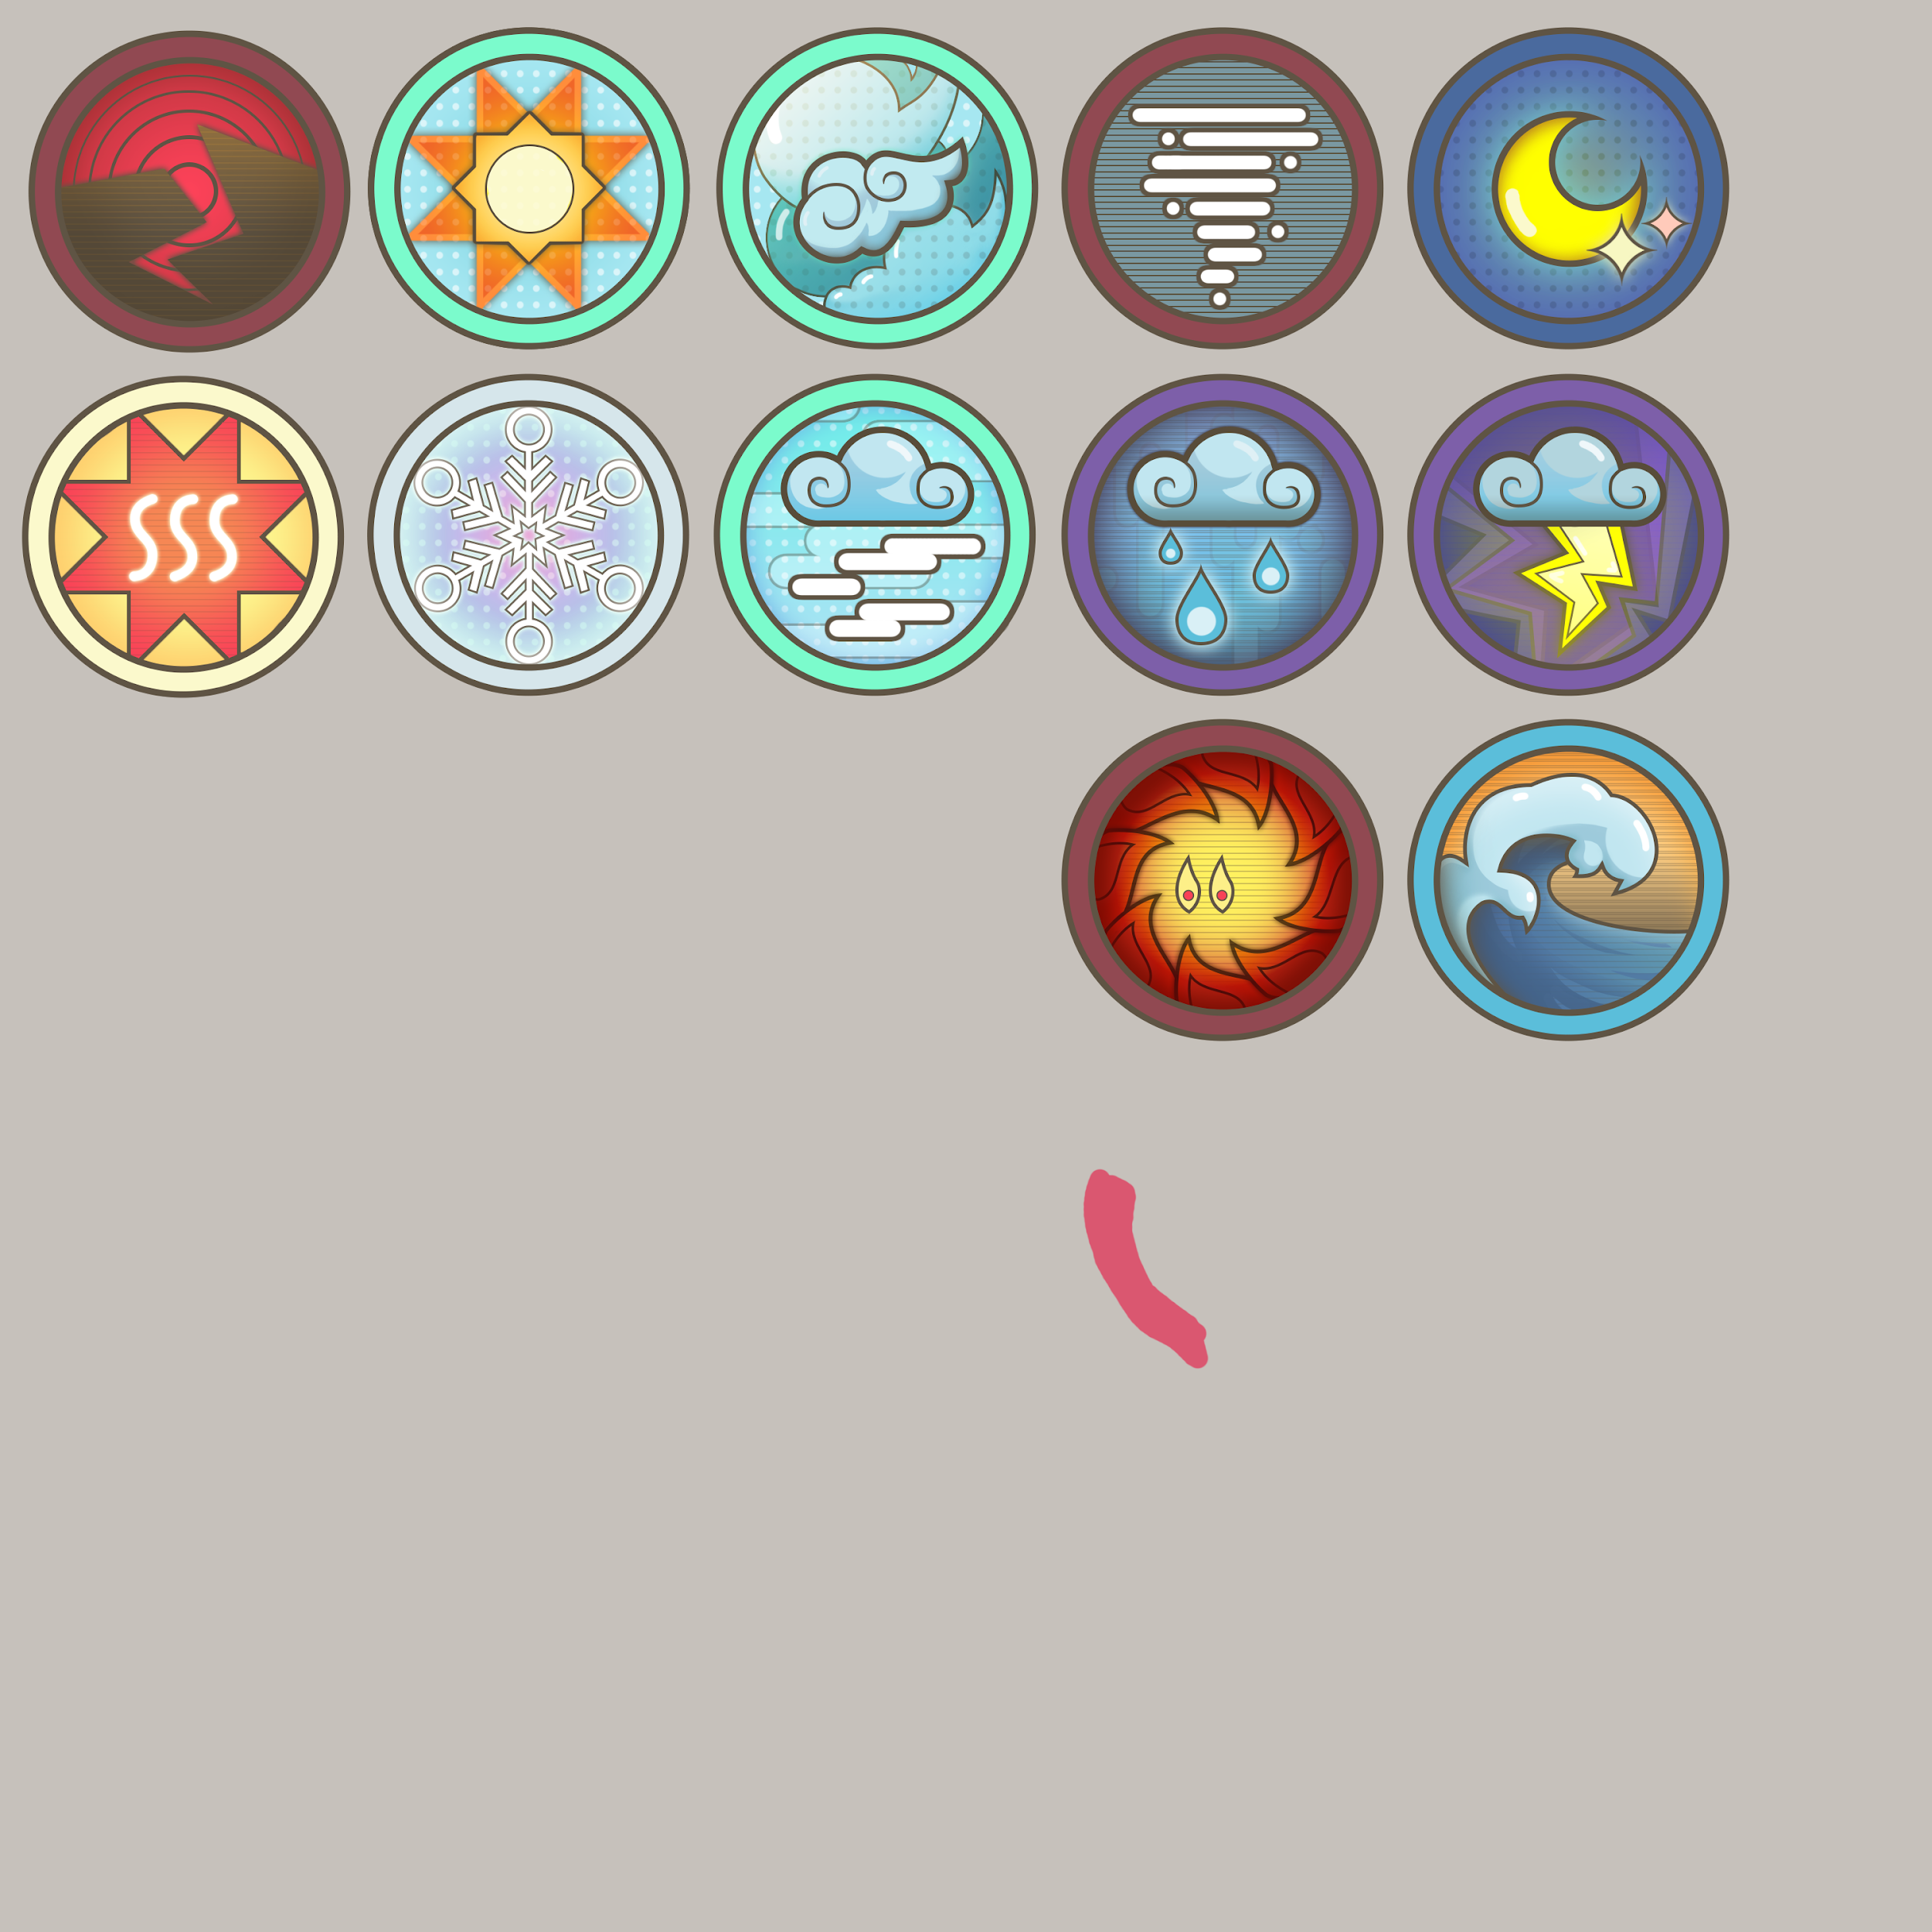
 |  | offline, seasonal | day time - 1hr, 3hr night time - 8hrs |  |  |  |  |  |  |  | gem, gold, resource
art | Event | occurance | duration | reason | cause: negative | positive | hero | god | item | building | cost
 | spring | abundant food | 1 week? divide month by 4?
 | summer | abundant food, festival
 | autumn/fall | festival,
 | winter | prone to: disease, flu

y | day | all |  |  |  | titans can move about
y | night | all |  |  | decrease visibility | night time monsters like vampires can roam about

 | Weather
y | cold | winter
y | snowing | winter | 1-2 days |  | unable to mobilize army | less enemy attacks
y | sunny | spring | 1 day
y | flood (snow melts) | spring | 1 day |  | same as rain decrease population food supply
y | rain | fall | 1 day |  | muddy battlefield decrease movements | unable to use fire attacks increase crop yield
y | storm | summer | 1 day
y | draught | summer | few days | too hot no rain | Decrease food supply

y | tornado | summer | 3 hours |  | decrease food supply decrease housing
y | fog | autumn | 3 hours |  | decrease battlefield visibility

 | Event
y | earthquake | all seasons | 1 hour |  | destroy buildings decrease population
y | house fire | treason season
y | forest fire | summer | 1 day |  | decreases wood supply
y | Epidemic, disease | overpopulation |  | overpopulation bad sanitation | decrease country population
y | famine | all season |  | overpopulation not enough food | decrease population decrease civilian happiness decrease army training
y | floods | fall | few days | too much rain didn't build drain over forestration | Decrease food supply
 | revolution |  |  | low civilian happiness | decrease population decrease civilian happiness decrease army training
y | tsunami |  |  |  | decrease population
 | good harvest |  |  | good mixed rain and sunny days | increase food production increase civilian happiness
 | baby boom |  |  |  | increase population
 | discover treasure |  |  |  | increase gold
 | found animals |  |  |  | increase food supply
 | discover gem |  |  |  | trading stuff at cheaper prices
 | trading season | spring
y | blood moon |  |  |  | increase night time monster stats

